Sheet2
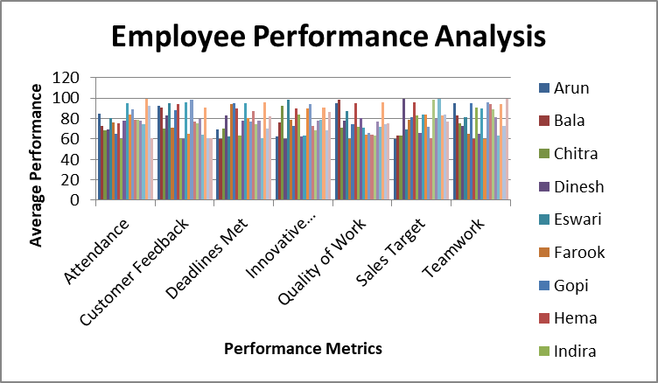
 | Arun | Bala | Chitra | Dinesh | Eswari | Farook | Gopi | Hema | Indira | Jagan | Karthik | Lakshmi | Muthu | Nalini | Omprakash | Overall Performance | Priya | Rajesh | Shanthi | Thiru | Uma
Attendance | 85 | 73 | 68 | 69 | 80 | 76 | 65 | 75 | 60 | 78 | 95 | 84 | 89 | 79 | 79 | 77.5 | 74 | 99 | 92 | 61 | 69
Customer Feedback | 92 | 91 | 70 | 83 | 95 | 71 | 88 | 94 | 60 | 60 | 96 | 65 | 98 | 77 | 75 | 79.55 | 64 | 91 | 61 | 61 | 99
Deadlines Met | 69 | 60 | 70 | 83 | 62 | 94 | 95 | 90 | 63 | 78 | 95 | 80 | 77 | 87 | 74 | 77.85 | 61 | 96 | 70 | 82 | 71
Innovative Contributions | 62 | 76 | 92 | 60 | 98 | 79 | 73 | 90 | 84 | 62 | 63 | 90 | 94 | 73 | 68 | 77.5 | 79 | 91 | 68 | 86 | 62
Quality of Work | 95 | 98 | 71 | 78 | 87 | 60 | 74 | 95 | 72 | 80 | 71 | 64 | 66 | 64 | 63 | 76.75 | 72 | 96 | 74 | 75 | 80
Sales Target | 60 | 63 | 63 | 99 | 69 | 79 | 81 | 96 | 83 | 66 | 84 | 84 | 72 | 61 | 98 | 79.9 | 99 | 83 | 84 | 77 | 97
Teamwork | 95 | 83 | 75 | 73 | 81 | 65 | 95 | 60 | 91 | 65 | 90 | 60 | 96 | 94 | 89 | 81.1 | 63 | 94 | 73 | 99 | 81

